Instructions
To create a Weight, Target Weight and BMI Tracker Dashboard Chart, go to the Weight Detail worksheet.

Fill in all the red text shown below:

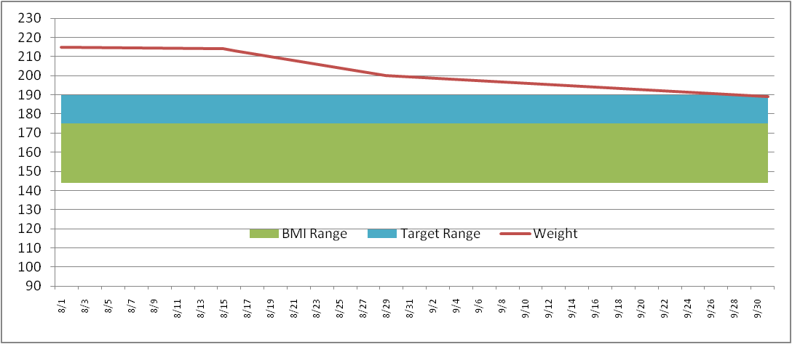
Enter in your NEAREST height in Inches (minimum 58 inches)
Height (inches) | 70

Then enter your target weight range minimum and maximum
Target Weight
Min | 175
Max | 185

Then fill in your last and most current weigh in dates and weight
Date | Weight | BMI Low | BMI Range | Target Low | Target Range
2011-09-01 | 215 | 136 | 36 | 175 | 10
2011-09-02 | 214

This will then build your chart ==================================>
* Current weight line (Red line)
* Target weight range (Blue band)
* Normal BMI weight range (Green band)
The Chart is dynamic and will keep expanding for every date/weight you enter

Weight Detail
Date | Weight | BMI Low | BMI Range | Target Low | Target Range |  | >= 58 Inches
2023-01-01 | 140 | 94 | 25 | 115 | 10 | Height (inches) | 59
2023-01-02 | 139 | 94 | 25 | 115 | 10 | Target Weight | 4 ft 11 in | Normal BMI Range
2023-01-03 | 138 | 94 | 25 | 115 | 10 | Min | 115 | Min | 94
2023-01-04 | 137 | 94 | 25 | 115 | 10 | Max | 125 | Max | 119
2023-01-05 | 136 | 94 | 25 | 115 | 10
2023-01-06 | 135 | 94 | 25 | 115 | 10 | Current Weight | 122 | Current Weight | 122
2023-01-07 | 134 | 94 | 25 | 115 | 10 | Starting Weight | 140 | Previous Weight | 123
2023-01-08 | 133 | 94 | 25 | 115 | 10 | Weight Loss | -18 | Weight Loss | -1
2023-01-09 | 132 | 94 | 25 | 115 | 10
2023-01-10 | 131 | 94 | 25 | 115 | 10
2023-01-11 | 130 | 94 | 25 | 115 | 10
2023-01-12 | 129 | 94 | 25 | 115 | 10
2023-01-13 | 128 | 94 | 25 | 115 | 10
2023-01-14 | 127 | 94 | 25 | 115 | 10
2023-01-15 | 126 | 94 | 25 | 115 | 10
2023-01-16 | 125 | 94 | 25 | 115 | 10
2023-01-17 | 124 | 94 | 25 | 115 | 10
2023-01-18 | 123 | 94 | 25 | 115 | 10
2023-01-19 | 122 | 94 | 25 | 115 | 10

Weight Chart
 | BMI Low | BMI range | Target low | Target range | weight
1/1/2023 | 94 | 25 | 115 | 10 | 140
1/2/2023 | 94 | 25 | 115 | 10 | 139
1/3/2023 | 94 | 25 | 115 | 10 | 138
1/4/2023 | 94 | 25 | 115 | 10 | 137
1/5/2023 | 94 | 25 | 115 | 10 | 136
1/6/2023 | 94 | 25 | 115 | 10 | 135
1/7/2023 | 94 | 25 | 115 | 10 | 134
1/8/2023 | 94 | 25 | 115 | 10 | 133
1/9/2023 | 94 | 25 | 115 | 10 | 132
1/10/2023 | 94 | 25 | 115 | 10 | 131
1/11/2023 | 94 | 25 | 115 | 10 | 130
1/12/2023 | 94 | 25 | 115 | 10 | 129
1/13/2023 | 94 | 25 | 115 | 10 | 128
1/14/2023 | 94 | 25 | 115 | 10 | 127
1/15/2023 | 94 | 25 | 115 | 10 | 126
1/16/2023 | 94 | 25 | 115 | 10 | 125
1/17/2023 | 94 | 25 | 115 | 10 | 124
1/18/2023 | 94 | 25 | 115 | 10 | 123
1/19/2023 | 94 | 25 | 115 | 10 | 122

